INSTRUCTIONS
INSTRUCTIONS: Use the template budget worksheet to gather and prepare the necessary information to enable quick and easy entry into the GMS Perkins Budget. Add rows as needed.

Step 1: | On the bottom of this page click on the second worksheet Tab titled "TEMPLATE | Budget Worksheet"

Step 2: | Enter your total Perkins allocation into cell G2.

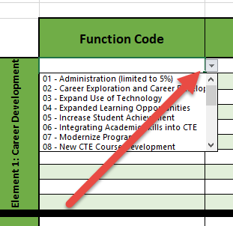
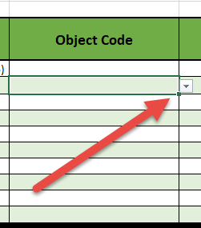

Step 3: | For each element, detail the proposed expenditures. Use the drop down menus for selecting the function code and object codes (this will streamline things when you enter your budget into GMS).

 | Note: the drop down arrow will appear when you click into a cell. Once it appears, click on the arrow to see the full menu.

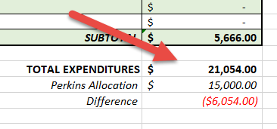
Step 4: | Review the difference between your total allocation and the expenditures within your budget to ensure adequate funding.
 | Note: consider any indirect or administrative costs while calculating your budget.

